Figure 1
Title | The share of imported emissions in France’s carbon footprint is particularly high
Subtitle | Greenhouse-gas imports as a percentage of the carbon footprint
Notes | The carbon footprint includes the majority of greenhouse gases (carbon dioxide, methane, nitrous oxide). The value for the EU-28 corresponds to the ratio between total imported emissions and the total footprint of the 27 EU member states plus the United Kingdom. Each country's imports include intra-European trade flows.
Source | Cotterlaz and Gouel (2025).

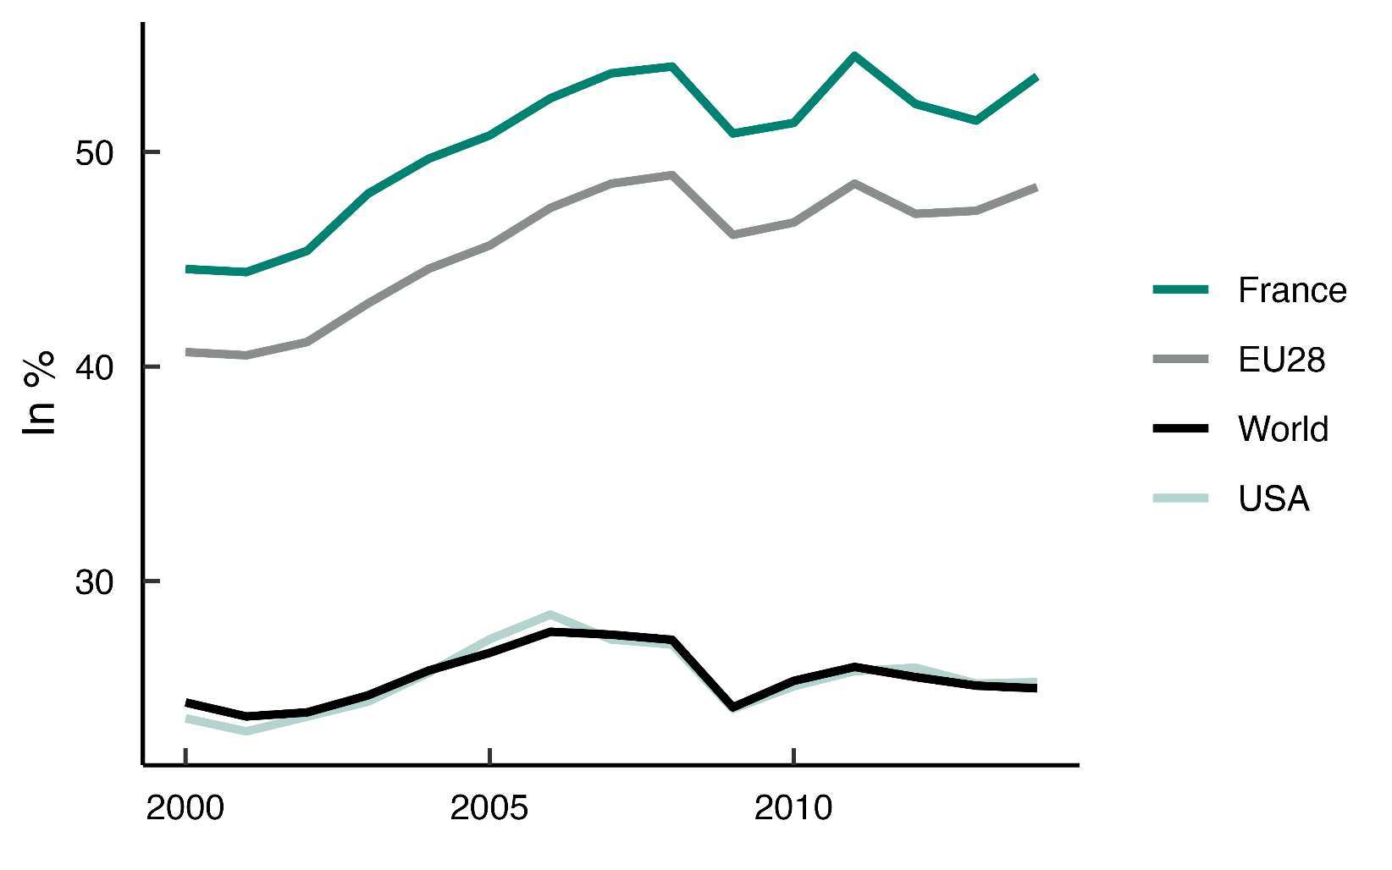
 | Year | France | USA | EU28 | World
 | 2000 | 44.5 | 23.6 | 40.7 | 24.4
 | 2001 | 44.4 | 23 | 40.5 | 23.7
 | 2002 | 45.4 | 23.7 | 41.1 | 23.9
 | 2003 | 48 | 24.4 | 42.9 | 24.7
 | 2004 | 49.7 | 25.7 | 44.6 | 25.8
 | 2005 | 50.8 | 27.3 | 45.6 | 26.7
 | 2006 | 52.5 | 28.4 | 47.4 | 27.6
 | 2007 | 53.7 | 27.3 | 48.5 | 27.5
 | 2008 | 54 | 27 | 48.9 | 27.3
 | 2009 | 50.9 | 24 | 46.1 | 24.1
 | 2010 | 51.4 | 25.1 | 46.7 | 25.4
 | 2011 | 54.5 | 25.8 | 48.5 | 26
 | 2012 | 52.2 | 26 | 47.1 | 25.5
 | 2013 | 51.5 | 25.2 | 47.3 | 25.1
 | 2014 | 53.5 | 25.3 | 48.4 | 25

Figure 2
Title | Trade openness has increased France's carbon footprint
Subtitle | Cumulative contribution to France's carbon footprint, in Mt CO₂e.
Notes | Each bar represents the cumulative contribution to France's carbon footprint since 2000. Shown separately are the effects of the geographic reallocation of French imports (changes in the share of each country in French imports), France's trade openness (defined as the share of imports in French final demand), emission intensity (greenhouse gas emissions per euro of output), and other factors.
Source | Authors' calculations based on WIOD 2016, Eurostat, and EXIOBASE.

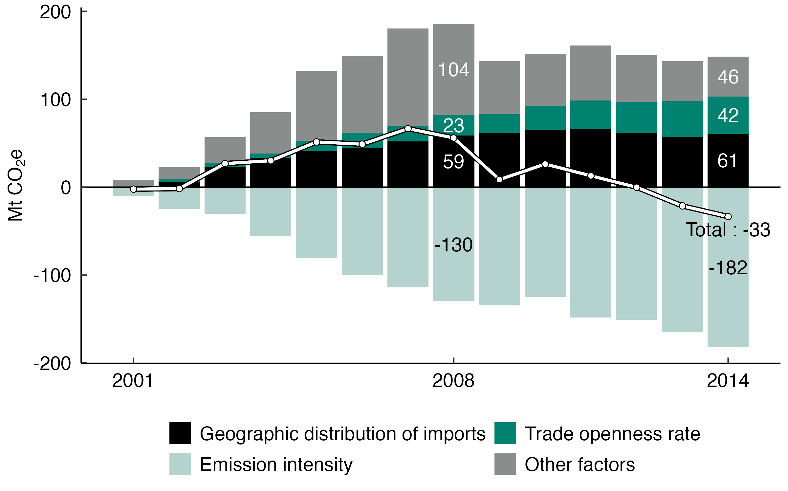
 | Year | Geographic distribution of imports | Other factors | Trade openness rate | Emission intensity
 | 2001 | 0.7 | 7 | -0.3 | -9.7
 | 2002 | 6.3 | 14.4 | 2.4 | -24.7
 | 2003 | 22.5 | 29.2 | 5.2 | -30.1
 | 2004 | 33.6 | 46.9 | 4.7 | -55.1
 | 2005 | 40.7 | 79.5 | 12 | -80.7
 | 2006 | 44.8 | 87.1 | 17 | -100
 | 2007 | 51.9 | 110.5 | 18.1 | -113.9
 | 2008 | 58.8 | 103.5 | 23.3 | -129.7
 | 2009 | 61.4 | 59.9 | 21.8 | -134.5
 | 2010 | 65.2 | 58.5 | 27.6 | -125
 | 2011 | 66.1 | 62.6 | 32.6 | -148.4
 | 2012 | 61.6 | 53.6 | 35.4 | -150.7
 | 2013 | 56.9 | 45.5 | 40.9 | -164.7
 | 2014 | 60.8 | 45.5 | 42.2 | -182

Figure 3
Title | The growing share of China in France's supply chains weighs on the carbon footprint
Subtitle | China's cumulative contribution to France's carbon footprint, in Mt CO₂e.
Notes | Each bar represents China's cumulative contribution to France's carbon footprint since 2000. The effects are broken down into the change in China's share of French consumption (goods and services), technological progress in China, and all other factors (such as the size of the French economy, etc.).
Source | Authors' calculations based on WIOD 2016, Eurostat, and EXIOBASE.

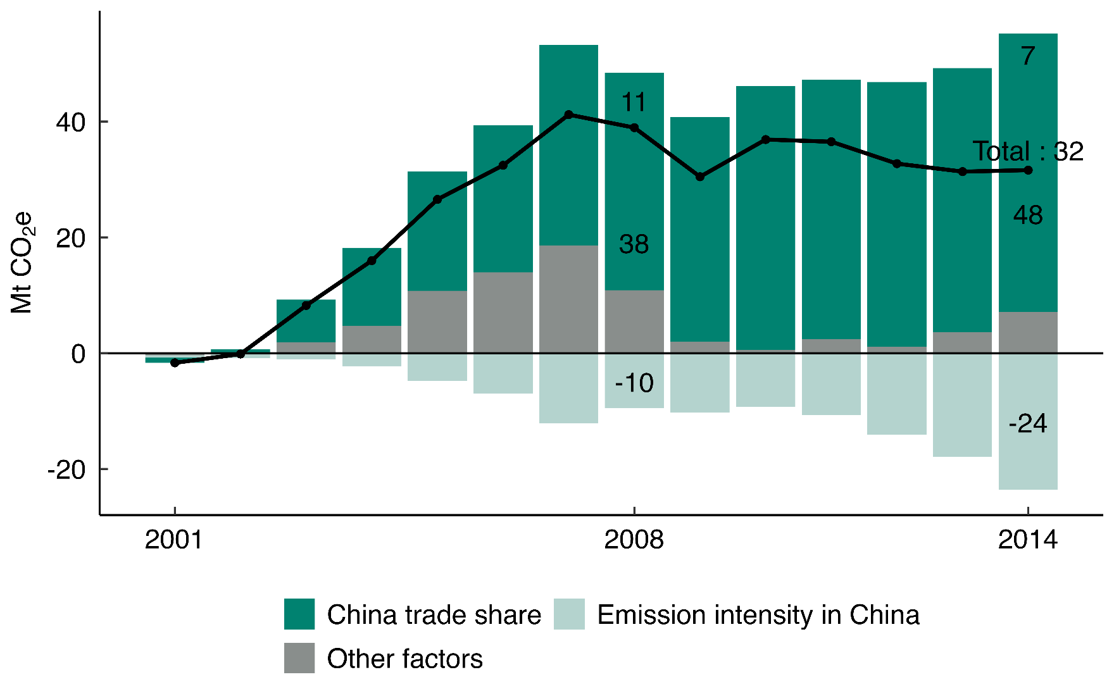
 | Year | China trade share | Other factors | Emission intensity in China
 | 2001 | -0.9 | -0.4 | -0.4
 | 2002 | 0.7 | -0.1 | -0.7
 | 2003 | 7.4 | 1.8 | -1
 | 2004 | 13.5 | 4.7 | -2.2
 | 2005 | 20.6 | 10.8 | -4.8
 | 2006 | 25.4 | 14 | -6.9
 | 2007 | 34.7 | 18.6 | -12.1
 | 2008 | 37.6 | 10.9 | -9.5
 | 2009 | 38.7 | 2 | -10.3
 | 2010 | 45.6 | 0.5 | -9.3
 | 2011 | 44.8 | 2.4 | -10.7
 | 2012 | 45.7 | 1.1 | -14.1
 | 2013 | 45.6 | 3.6 | -17.9
 | 2014 | 48.1 | 7.1 | -23.6

Figure 4
Title | Countries with lower emission intensity in 2000 are those where foreign technological change contributed the most to reducing the carbon footprint
Subtitle | Relationship between the contribution of foreign technological progress to the carbon footprint (cumulative from 2000 to 2014 and relative to the 2000 footprint) and emission intensity in 2000
Notes | Each point represents a country. The x-axis is on a logarithmic scale. The line shows the ordinary least squares estimate of the linear relationship between the contribution of foreign technological change and the logarithm of emission intensity. To neutralize sectoral composition effects, each country's emission intensity is calculated using global sectoral shares in 2000.
Source | Cotterlaz and Gouel (2025).

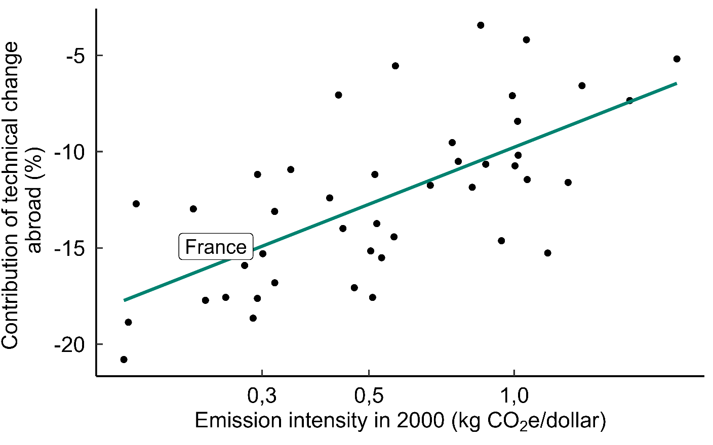
 | Country | Emission intensity in 2000 | Contribution of technical change abroad
 | AUS | 0.87 | -10.7
 | AUT | 0.25 | -17.6
 | BEL | 0.29 | -17.6
 | BGR | 1.74 | -7.3
 | BRA | 0.57 | -5.5
 | CAN | 0.51 | -11.2
 | CHE | 0.16 | -18.9
 | CHN | 0.85 | -3.4
 | CYP | 0.47 | -17.1
 | CZE | 1.02 | -10.2
 | DEU | 0.41 | -12.4
 | DNK | 0.28 | -15.9
 | ESP | 0.32 | -13.1
 | EST | 1.29 | -11.6
 | FIN | 0.44 | -14
 | FRA | 0.24 | -14.9
 | GBR | 0.29 | -11.2
 | GRC | 0.77 | -10.5
 | HRV | 1.17 | -15.3
 | HUN | 1.06 | -11.4
 | IDN | 1.02 | -8.4
 | IND | 1.06 | -4.2
 | IRL | 0.53 | -15.5
 | ITA | 0.22 | -13
 | JPN | 0.16 | -12.7
 | KOR | 0.52 | -13.7
 | LTU | 0.94 | -14.6
 | LUX | 0.29 | -18.6
 | LVA | 0.51 | -17.6
 | MEX | 1.38 | -6.6
 | MLT | 0.3 | -15.3
 | NLD | 0.32 | -16.8
 | NOR | 0.16 | -20.8
 | POL | 0.99 | -7.1
 | PRT | 0.34 | -10.9
 | ROU | 1 | -10.7
 | RUS | 2.18 | -5.2
 | SVK | 0.56 | -14.4
 | SVN | 0.5 | -15.2
 | SWE | 0.23 | -17.7
 | TUR | 0.82 | -11.9
 | TWN | 0.67 | -11.7
 | USA | 0.43 | -7.1
 | ROW | 0.74 | -9.5

