Figure 1
Title | Even though it is below the peak reached on “Liberation Day”, US tariff protection is now much higher than it was in January 2025
Subtitle | Average US tariffs on goods
Source | Authors’ calculations based on CEPII, MAcMap-HS6 database.
Note | Each tariff is a weighted average using the reference-group methodology from MAcMap-HS6 (Guimbard, H., Jean, S., Mimouni, M. & Pichot, X. (2012). MacMap-HS6 2007, an Exhaustive and Consistent Measure of Applied Protection in 2007. International Economics, vol. 130, p. 99-121).

 | Country/Region | Before 2025/01/20 | Just after 2025/04/02 | Since 2025/05/31
 | Australia and N-Z | 1.3 | 7.1 | 6.8
 | Bangladesh | 11.9 | 48.8 | 21.9
 | Brazil | 2.0 | 10.3 | 10.2
 | Canada | 0.1 | 12.4 | 12.4
 | China | 21.5 | 66.5 | 48.7
 | EFTA | 1.4 | 12.3 | 5.7
 | France | 3.0 | 19.6 | 12.3
 | Germany | 2.6 | 18.6 | 11.9
 | India | 3.2 | 22.1 | 11.6
 | Italy | 3.5 | 20.3 | 13.1
 | Japan | 1.6 | 20.0 | 12.0
 | South Korea | 0.0 | 17.1 | 9.8
 | Mexico | 0.1 | 12.6 | 12.6
 | Rest of EU27 | 2.7 | 17.9 | 11.0
 | Spain | 3.4 | 20.8 | 14.3
 | United Kingdom | 2.0 | 10.9 | 10.1
 | Vietnam | 4.8 | 39.6 | 12.9

Figure 2
Title | The United States, China and Mexico are the main losers from current US measures and Chinese retaliation
Subtitle | Deviation in GDP and exports of goods (in volume) compared to the reference scenario in 2040
Source | Authors’ calculations based on the MIRAGE model.

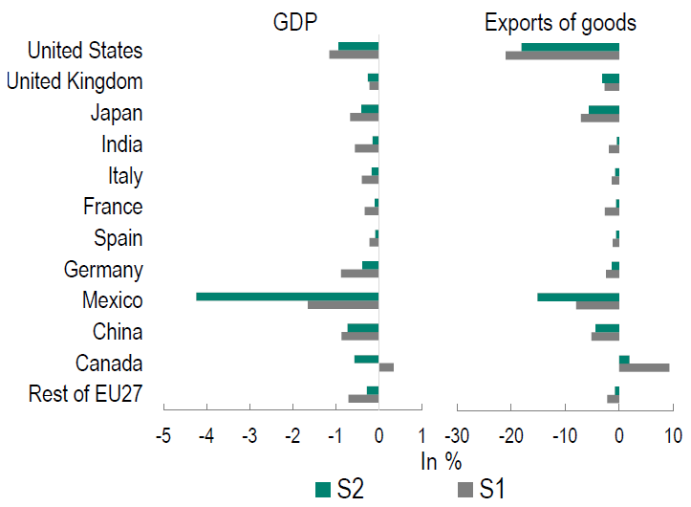
 | GDP
 | Country/Region | S1 | S2
 | Rest of EU27 | -0.7 | -0.3
 | Canada | 0.3 | -0.6
 | China | -0.9 | -0.7
 | Mexico | -1.7 | -4.2
 | Germany | -0.9 | -0.4
 | Spain | -0.2 | -0.1
 | France | -0.3 | -0.1
 | Italy | -0.4 | -0.2
 | India | -0.6 | -0.2
 | Japan | -0.7 | -0.4
 | United Kingdom | -0.2 | -0.3
 | United States | -1.2 | -0.9

 | Exports of goods
 | Country/Region | S1 | S2
 | Rest of EU27 | -2.2 | -0.8
 | Canada | 9.3 | 1.9
 | China | -5.2 | -4.4
 | Mexico | -8.0 | -15.1
 | Germany | -2.5 | -1.4
 | Spain | -1.2 | -0.6
 | France | -2.7 | -0.6
 | Italy | -1.4 | -0.8
 | India | -1.9 | -0.4
 | Japan | -7.1 | -5.6
 | United Kingdom | -2.7 | -3.1
 | United States | -21.0 | -18.1

