Figure 1
Title | The EU was Russia’s top supplier of dual-use goods before the war began
Subtitle | Number of dual-use products imported by Russia in 2021, by sector and top exporter
Source | Authors’ calculations based on Global Trade Tracker database.

 | Sector | European Union | China | Rest of World | Total
 | Stone articles | 9 | 27 | 1 | 37
 | Chemicals | 95 | 50 | 24 | 169
 | Instruments | 44 | 6 | 7 | 57
 | Machinery, equipment | 211 | 79 | 25 | 315
 | Transport equipment | 12 | 13 | 5 | 30
 | Metals | 55 | 49 | 31 | 135
 | Plastics, rubber | 35 | 9 | 3 | 47
 | Textiles | 12 | 15 | 7 | 34

Figure 2
Title | Russia’s dual-use imports are increasingly concentrated
Subtitle | Concentration index of dual-use goods imports
Reading notes | A higher Herfindahl-Hirschman Index indicates greater import concentration. Weighted average based on import value.
Source | Authors’ calculations based on Global Trade Tracker database.

 | Quarter | Rest of the world | Russia
 | 2020t1 | 2937.768 | 2237.129
 | 2020t2 | 2945.21 | 2376.141
 | 2020t3 | 2919.657 | 2295.902
 | 2020t4 | 3159.155 | 2541.19
 | 2021t1 | 2990.542 | 2222.038
 | 2021t2 | 3090.41 | 2516.874
 | 2021t3 | 3131.204 | 2452.515
 | 2021t4 | 3085.509 | 2599.84
 | 2022t1 | 4101.105 | 4188.908
 | 2022t2 | 4256.211 | 4778.684
 | 2022t3 | 4185.233 | 4700.832
 | 2022t4 | 4052.45 | 3553.399
 | 2023t1 | 3903.502 | 5392.036
 | 2023t2 | 3933.345 | 5679.46
 | 2023t3 | 3897.353 | 5783.458
 | 2023t4 | 3914.251 | 5272.528

Figure 3
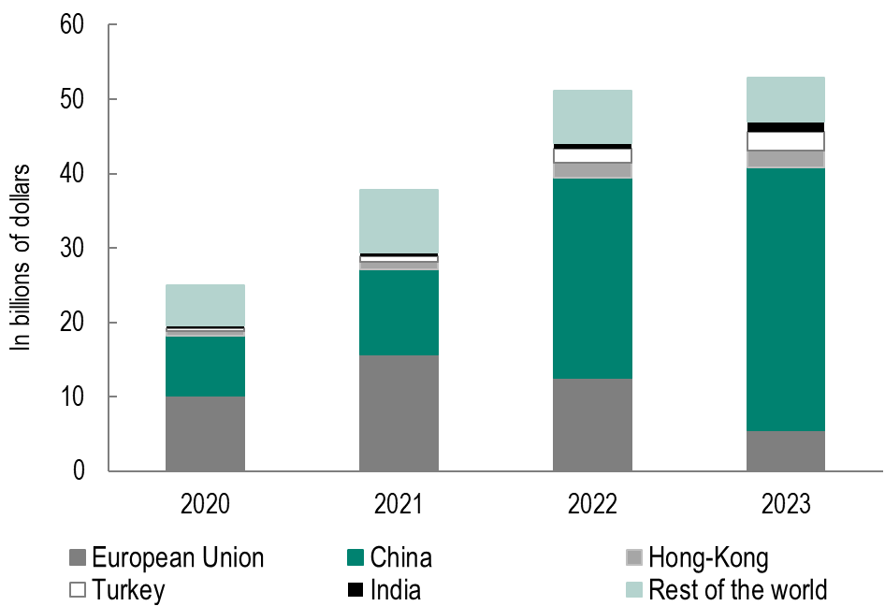
Title | Imports from the European Union have been largely replaced by imports from China
Subtitle | Russian imports of dual-use products, by supplier
Source | Authors’ calculations based on Global Trade Tracker database.

 | 10.1 | 8.04 | 0.698 | 0.388 | 0.336 | 5.44
 | 15.7 | 11.4 | 1.06 | 0.673 | 0.562 | 8.39
 | 12.5 | 26.9 | 2.02 | 1.98 | 0.708 | 7.05
 | 5.53 | 35.3 | 2.21 | 2.52 | 1.39 | 5.96

Figure 4
Title | The decline in imports of dual-use products from countries imposing sanctions has been compensated for in the case of many goods
Subtitle | Compensation rate by sector in 2023
Notes | The selected sectors are those in which at least 10 dual-use products were imported from countries that will would sanction Russia in 2021, and that saw 2021 and saw exports from these countries fall by at least 20% between 2021 and 2023. The graph shows the number of products (HS6 level) in each sector according to their compensation rate. A compensation rate of 100% means that the decline in trade volume from sanctioning countries was equal to the increase in trade volume from other countries.
Source | Authors’ calculations based on Global Trade Tracker database.

 | Sectors | Uncompensated | Compensation rate: 0 - 50% | Compensation rate: 50 - 100% | Compensation rate > 100%
 | Others | 22 | 30 | 10 | 16
 | Mineral fuels, mineral oils & products | 3 | 12 | 0 | 0
 | Inorganic chemicals, rare earths | 13 | 12 | 3 | 11
 | Organic chemicals | 1 | 9 | 3 | 7
 | Other chemicals | 3 | 7 | 1 | 1
 | Plastics | 3 | 3 | 8 | 6
 | Rubber | 1 | 5 | 2 | 2
 | Clothing and accessories | 0 | 5 | 2 | 6
 | Iron and steel | 4 | 12 | 2 | 3
 | Steel products | 2 | 4 | 4 | 4
 | Other metals | 7 | 8 | 2 | 4
 | Nuclear reactors, boilers, machinery | 13 | 23 | 9 | 48
 | Electrical machinery and equipment | 10 | 29 | 6 | 23
 | Transport equipment | 10 | 6 | 0 | 3
 | Optical, photographic & medical instruments | 1 | 8 | 4 | 18

 | Uncompensated | Compensation rate: 0 - 50% | Compensation rate: 50 - 100% | Compensation rate > 100%
Others | 22 | 30 | 10 | 16
Mineral fuels, mineral oils & products | 3 | 12 | 0 | 0
Inorganic chemicals, rare earths | 13 | 12 | 3 | 11
Organic chemicals | 1 | 9 | 3 | 7
Other chemicals | 3 | 7 | 1 | 1
Plastics | 3 | 3 | 8 | 6
Rubber | 1 | 5 | 2 | 2
Clothing and accessories | 0 | 5 | 2 | 6
Iron and steel | 4 | 12 | 2 | 3
Steel products | 2 | 4 | 4 | 4
Other metals | 7 | 8 | 2 | 4
Nuclear reactors, boilers, machinery | 13 | 23 | 9 | 48
Electrical machinery and equipment | 10 | 29 | 6 | 23
Transport equipment | 10 | 6 | 0 | 3
Optical, photographic & medical instruments | 1 | 8 | 4 | 18

Figure 5
Title | Armenian trade in radio navigation devices with Russia: an example of sanctions circumvention
Subtitle | Armenian re-exports of radionavigation aid equipment (HS 852691)
Source | Authors’ calculations based on Global Trade Tracker database.

 | Year | Exports to Russia | Imports from countries imposing sanctions
 | 2020 | 0.0008571 | 0.0348571
 | 2021 | 0.0008571 | 0.0331429
 | 2022 | 0.773 | 1.205
 | 2023 | 0.393 | 1.387

Figure 6
Title | A significant proportion of exports to Russia from neighboring countries consists of re-exports of goods from countries that impose sanctions
Subtitle | Exports to Russia from neighboring countries in 2023
Reading notes | A product is considered re-exported from a given country if the increase in its exports to Russia between 2021 and 2023 represents at least half of the increase in its imports from countries imposing sanctions.
Source | Authors’ calculations based on Global Trade Tracker database.

 | Pays | Re-exported: ratio > 0.5 | Not re-exported: ratio < 0.5
 | Armenia | 848.1269 | 95.26199
 | Azerbaijan | 34.77633 | 12.27217
 | Uzbekistan | 297.2413 | 151.3045
 | Kyrgyzstan | 76.59723 | 65.50805
 | Turkey | 623.1356 | 1892.232
 | Serbia | 10.2532 | 103.0775

Figure 7
Title | The increase in the cost of Russian imports of dual-use products since the war began has not been linked to a change in suppliers
Subtitle | Russian dual-use goods import price indices
Reading notes | The current import price of dual products in Russia increased by 4.1% between the fourth quarter of 2021 and the first quarter of 2022 (Paasche index). Had Russia maintained the same geographical structure of its imports, the increase would have been 33.3% (Laspeyres index).
Source | Authors’ calculations based on Global Trade Tracker database.

 | Quarter | Paasche index | Laspeyres index
 | 2020t1 | 0.9343891 | 0.889092
 | 2020t2 | 0.9647862 | 0.9102866
 | 2020t3 | 0.9334346 | 0.8638706
 | 2020t4 | 0.9919348 | 0.8923711
 | 2021t1 | 0.9682243 | 0.9270096
 | 2021t2 | 0.985203 | 0.947346
 | 2021t3 | 1.084622 | 0.9700626
 | 2021t4 | 1 | 1
 | 2022t1 | 1.041092 | 1.33342
 | 2022t2 | 1.094142 | 1.321992
 | 2022t3 | 1.126659 | 1.235292
 | 2022t4 | 1.093344 | 1.385107
 | 2023t1 | 1.14115 | 1.283297
 | 2023t2 | 1.143919 | 1.249388
 | 2023t3 | 1.102389 | 1.201753
 | 2023t4 | 1.101943 | 1.296553

Figure 8
Title | A more marked increase in prices for dual-use products from countries that do not impose sanctions
Subtitle | Increase in the average price of Russian imports relative to the prices of imports from the rest of the world
Reading notes | The price of Russian imports of dual-use products from "other countries" increased by 39% more before and after the war than imports from the rest of the world. Meanwhile, the price of Russian imports of dual-use goods from countries imposing sanctions increased by only 5% between the pre- and post-war periods.
Source | Authors’ calculations based on Global Trade Tracker database.

 | Category | Estimation coefficient | Increase in average prices of Russian imports, by category (%)
 | Countries imposing sanctions, dual-use products | 0.0505012 | 5
 | Countries imposing sanctions, non-dual-use products | 0.0566553 | 6
 | Other countries, dual-use products | 0.3327187 | 39
 | Other countries, non-dual-use products | 0.1692693 | 18

